Sheet1
OS | Operating System : Program/Software runs between user and hardware; Controls and Manage with Hardwares; Kernal - OS runs all the time on a computer, usually its named as kernal

Must Do : | -- CPU Time -- Memory Space -- File-Storage space -- I/O Device -- Computer System Operation ( --
Consists/Components : | -- Bootstrap --
Features :

Computer-System Operation | -- One or more CPU, Devices (keyboard, mouse etc) are COMPETING for memory cycle; | 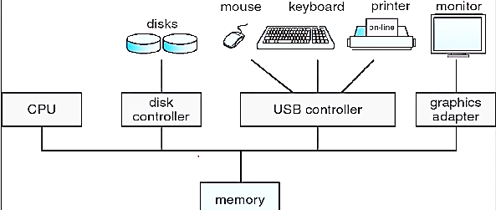
Bootstrap (What) | -- A simple program runs ahead of OS; -- Locates OS and loads it into memory
Bootstrap (How)

Interrupt | An Occurance of EVENT from Software or Hardware creates INTERRUPT that signal to CPU. Software interrupt usually called as "System Call" or "Monitor Call"

